Policy
Exercise: Create the policy for the zone diagram given in class

 | 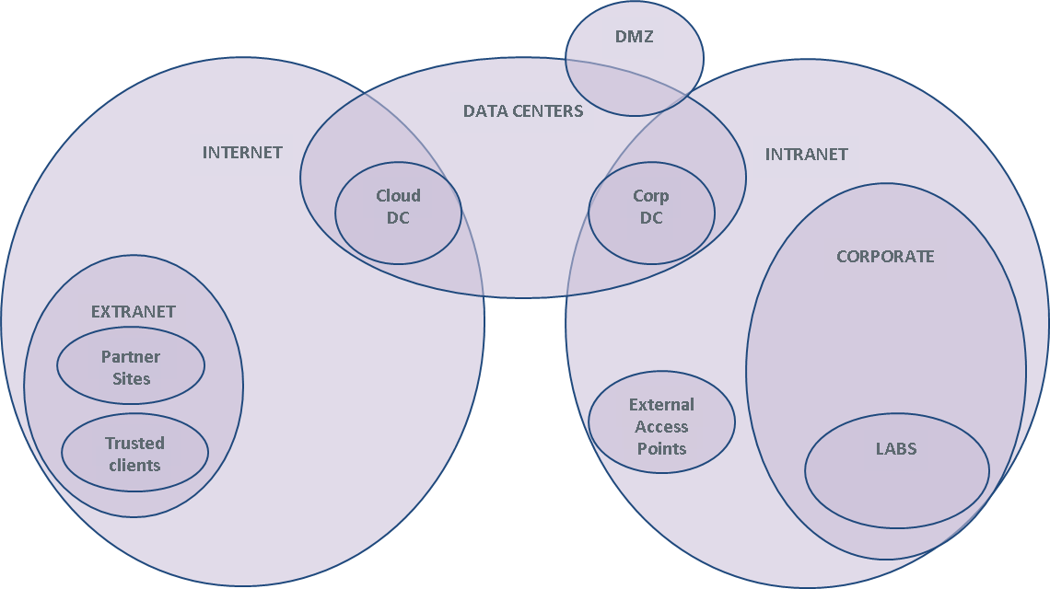

 | Specify firewall rules in the table below. Use parens, &, | as needed
 | Source, Destination: Zone names (in a real firewall, these are defined elsewhere in terms of IP addresses and interface names)
 | - Extra credit: invent user groups as sources
 | Service: protocol name, TCP/port, UDP/port
 | Action: Permit, Deny
 | Comment: explain why you think this rule makes sense.

# | Source | Destination | Service | Action | Alert | Comment
1 | Intranet | Internet | (HTTP & TCP/80) | (HTTPS & TCP/443) | Permit | No | Everyone on the Intranet is allowed to browse the Internet | Example
2 | Intranet | Internet | DNS & UDP/53 | Permit | No | How do you think DNS should work from the Intranet out? | Example
3 | Intranet | Internet | SMB | Deny | Yes | Do not allow file browsing over the internet, alert so we can catch the sucker. | Example
4 | Cloud Data Center | Corporate Data Center | SMB | Permit | No | Connect the data centers (Corp DC, Cloud DC)
5 | Corporate Data Center | Cloud Data Center | SMB | Permit | No | Connect the data centers (Corp DC, Cloud DC)
6 | Intranet | Data Centers | SMB | Permit | No | Enable corporate workstations to share files with the DCs
7 | Data Center | Extranet | HTTPS | Permit | No | Enable traffic into the DMZ web server
8 | Data Center | Cloud Data Center | SMTP | Permit | No | Enable the DMZ mail server
9 | Data Center | Corporate Data Center | SMTP | Permit | No | Enable the DMZ mail server
10 | Partner 1 on Internet | Cloud Data Center | HTTPS | Permit | No | Allow partner to connect to Data Center
11 | Trusted client on Internet | Cloud Data Center | HTTPS | Permit | No | Allow users to connect to Data Center
12 | Intranet | Internet | SSH | Deny | Yes | Protect lab servers from Internet traffic
13 | Intranet | Labs | SSH | Permit | No | Enable corporate users to access the lab machines
14 | Intranet | Extranet supplier 7 | HTTPS | Permit | No | Access an extranet partner
15 | Intranet | Corporate Data Center | SSH | Permit | No | Backup servers
16 | Intranet | Cloud Data Center | SSH | Permit | No | Backup servers
17 | Trusted client on Internet | Cloud DC | RemoteDesktop | Permit | No | Remote desktops for corporate users
18 | Trusted client on Internet |  | RemoteDesktop | Permit | No | Allow users to connect to their desktops from home
19 | Trusted client on Internet |  | VMWare control | Permit | No | Allow users to connect to their desktops from home
20 | Trusted client on Internet | Corporate Web Server | HTTP|HTTPS | Permit | No | Internet users can browse corporate web server
21 | Intranet | Corporate Web Server | SSH | Permit | No | Local admins can maintain the corporate web server
22 | Intranet | Corporate Web Server | HTTP|HTTPS | Permit | No | Intranet users can access corporate web server
23 | Intranet | Corporate Mail Server | SMTP | Permit | No | Corporate users can read their mail
24 | Intranet | Corporate Mail Server | SMTP | Permit | No | Corporate users can send mail
25 | Intranet | Corporate DNS server | DNS & UDP/53 | Permit | No | DNS server rules
26 | Corporate Data Center | Corporate DNS server | DNS & UDP/53 | Permit | No | DNS server rules
27 | Cloud Data Center | Corporate DNS server | DNS & UDP/53 | Permit | No | DNS server rules
28 | ANY | ANY | ALL | DENY | NO | Firewall policy is best done with a deny all rule at the bottom.

